Sheet1
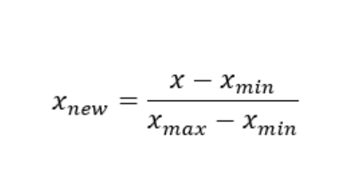
Weight | Minmax Value |  |  | Price | MinMaxValue
15 | 0.625 | 534 | 0.23 | 1 | 0
18 | 1 | 435 |  | 3 | 0.5
12 | 0.25 |  |  | 2 | 0.25
10 | 0 |  |  | 5 | 1

